Index-pooling Info(new)
 |  |  |  |  |  |  | Index Sequence
Sample ID (required) | Lane Info. | # of lane | Librar Kit Name | Indexing Type | Index ID | i7 | i5 _workflow A (MiSeq™, HiSeq® 2000/2500, and NovaSeq™ 6000 (v1 reagents) | i5_Workflow B( iSeq™ 100, MiniSeq™, NextSeq™, HiSeq X/3000/4000, and NovaSeq 6000 (v1.5 reagents) | Custom Primer (if necessary) |  |  | Read Cycle 1 | Index Cycle | Read Cycle 2 | PhiX spike in % | Comments
Example | A | 1 | Nextera XT Library | Dual |  | GTCCTAAG | TGGTAGCT | AGCTACCA | Y/N | Primer Name | Sequence | 150 | 8+8 | 150 | 0%

Important Note
Please provide correct library information. The failure of the running by incorrect or missing information is not refundable.
Checklist
Lane Info. :
If you wish to have multiple samples run in the same lane, please indicate each lane with the same letter.
Library type
If you've used library preparation kit from Illumina, please indicate the name of the kit. For any other library preparation kits or modified protocol, you must enclose detailed information on a separate sheet of paper.
Index(s) ID/Sequence
Please indicate the index ID number and the index sequence. The reverse complemet sequence of i5 index should be applied with the NovaSeq and HiSeqX platform. Please indicate two different i5 workflow accordingly.
Custom primer :
Please indicate Y/N and the sequence if you are using custom primer for read1, read2 or index primer. Minimum concentration of 100uM in 10ul is required.
PhiX spike in % :
Please indicate the % of PhiX spike in if necessary. Depending on the diversity of the library, the concentration spike-in may be adjusted. The spike-in may need to be up to 50% to improve the quality of unbalanced genome and diversity. Default setting is none.

Primary Sample Preparation
Primary Sample Preparation Guide

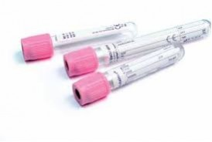
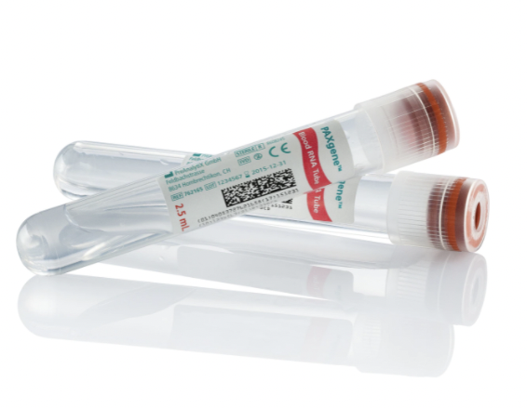

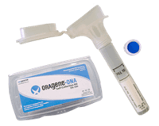
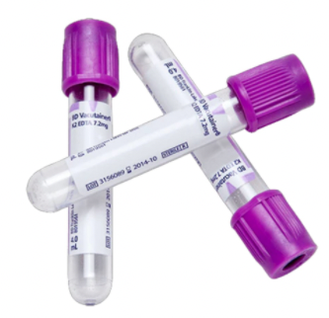

Whole Blood Requirements
Genomic DNA (CLIA and RUO)
Collect minimum of 2 ml of venous whole blood in EDTA coated vacutainer (BD)
Store collected blood in refrigerator
Psomagen sample receipt within 5 days of collection
Long-term storage - collect minimum of 8.5 ml of venous whole blood in PAXgene Blood DNA Tube (QIAgen) or 3 ml of venous whole blood in Zymo DNA/RNA Shield Blood Collection Tube
RNA
Collect minimum of 8 ml of venous whole blood in PAXgene Blood RNA Tubes (QIAgen)
Gently invert tube 10 times
Incubate collected blood at Room Temperature for at least 2 hours prior to freezing or refrigeration
Cell - free DNA (cfDNA)
>2 ml of venous whole blood in Cell-Free DNA BCT Tube (Streck) or PAXgene Blood ccfDNA Tubes (QIAgen)
Store collected blood at room temperature prior to and during shipping
EDTA coated vacutainer (BD) blood requires gentle inversion of tube 10 times, storage at 4ºC and processing within 6 hours of collection
Saliva Requirements
(CLIA and RUO)
Collect in Oragene·DISCOVER (DNA Genotek) or Psomagen provided tube
Follow manufacturer’s instructions closely for collection
Store/Ship at Room Temperature
Cell Pellet Requirements
Genomic DNA
>1,000,000 cells
Cryopreserve or store as cell pellet
Store at -15 to -25ºC
Ship on dry ice
RNA
500,000-1,000,000 cells
Store in RNAlater Reagent
Store at -15 to -25ºC
Ship on dry ice
Plasma/Serum Requirements
Cell - free DNA
>1 mL of plasma or serum
Store at -65 to -85ºC
Ship on dry ice
RNA
200 µl of plasma or serum
Store at -65 to -85ºC
Ship on dry ice

FFPE Section Requirements
Submit minimum 4 sections
Section thickness: 10µm section
Total sections thickness: 40µm
Tissue surface area: >20 mm2
Tissue total surface area: <150 mm2
We use 3-5µl of sample for QC
Should be unstained and unbaked
Carefully roll FFPE section using scalpel, then insert into e-tube.
Frozen Tissue
DNA
10-30 mg
Store at -15 to -25ºC
Ship on dry ice
RNA
10-30 mg
Store in RNAlater Reagent
Store at -15 to -25 degree Celsius
Ship on dry ice
Stool Requirements
Collect up to 200 mg in a starndard tube
Store at -80ºC
Ship on dry ice
Alternatively, collect in Psomagen provided kit using 4N6FLOQSwabs tube (Copan) with preservative solution - Follow manufacturer's instructions closely for collection
Swab Requirements (for variuos source of samples)
Collect in 4N6FLOQSwabs tube (Copan)
Follow manufacturer's insturctions closely for collection
Store/Ship at Room Temperature
Shipping Requirements
Label all sample with legible unique Sample ID
Place sample in screw-cap or snap top tube sealed with parafilm
Use leak-proof container, Ziploc bag or larger screw-cap tube, with enough absorbent materials
Blood and Saliva samples must be sent according to local, state, federal, IATA, and ICAO regulations with appropriate biological substance tag
Send samples in box with sufficient blue/dry ice to keep sample at desired temperature during shipping. Exception: Saliva and Blood collected for Cell-free DNA in Streck or PAXgene tubes should be sent at Room Temperature.

Viable Cell Requirements (for Single Cell Sequencing)
100,000-500,000 cells
Cell Viability >90%
Cryopreserve in liquid nitrogen using the provided 10X protocol
Store collected sample at -140ºC
Ship on dry ice
Live cells with ice packs (should arrive here within hours)

NucleicAcid Library Preparation
Nucleic Acid / Library Preparation Guide

Genomic DNA Requirements
Submit minimum concentration of 20 ng/µl
500 ng for whole genome sequencing (500ng for PCR free 350bp insert / 1000ng for PCR free 550bp insert; 100ng for Nano 350bp insert / 200ng for Nano 550bp insert)
1 µg for whole exome sequencing (SureSelect)
We use 3-5µl of sample for QC
DNA must be intact and high molecular weight
Samples must not be PCR-amplified
Recommend TE buffer (10 mM Tris/1 mM EDTA)
RNA Requirements
Submit minimum concentration of 20 ng/µl
500ng for bulk RNA sequencing
We use 3-5µl of sample for QC
RNA must be intact and free of genomic DNA
Recommend TE buffer (10 mM Tris/1 mM EDTA)
Pre-made Library Requirements
Library must be compatible with Illumina platform
Submit 35µl at 5nM for QC and Sequencing
qPCR quantification (KAPA biosystems)
D5000 or D1000 ScreenTape by Agilent TapeStation (Agilent Technologies)

Psomagen Sample QC
Genomic DNA
gDNA ScreenTape by Agilent TapeStation
DNA integrity Number (DIN) used to assess integrity. DIN > 7.0 is required, except for special instances.
Quant-iT PicoGreen dsDNA Assay Kit (ThermoFisher Scientific) used to accurately quantify double strand DNA. A260/280 ≥ 1.7 is required, except for special instances.
DNA Sample should be double-strand, non degraded, and containing no particulate matter.
RNA
RNA ScreenTape by Agilent TapeStation
RNA integrity Number (RIN) used to assess integrity. RIN > 7.0 is required.
Quant-iT RicoGreen RNA Assay Kit (ThermoFisher Scientific) used to accurately quantify RNA
Shipping Requirements
Label all sample with legible unique Sample ID
Place sample in screw-cap or snap top tube sealed with parafilm
Use leak-proof container, Ziploc bag or larger screw-cap tube, with enough absorbent materials
Send samples in box with sufficient blue/dry ice to keep sample at desired temperature during shipping.
If sending samples in a 96-well plate, please seal tightly into strip-capped wells to avoid any potential damage in transit such as evaporation or cross-contamination during shipping. To avoid physical damage, please use full-skirted 96-well plate.

